Sheet1 (2)
 |  |  | Harga Satuan (Rp)
 | 1. Jenis Perlengkapan | Volume |  | Nilai (Rp)
1 | Wiring/Kabel AWG20 minimal 5m 1rol warna putih kalo ada | 1
 | OFFLINE DI ELTRA/GENTENG |  |  |  | AWG 20 Bintik warna merah, hitam, dan …(bebas selain biru)
2 | Wiring/Kabel AWG20 minimal 5m 1rol warna hitam | 1 |  |  | Konektor waterproof 3p
 | OFFLINE DI ELTRA/GENTENG |  |  |  | Konektor waterproof 2p
3 | Wiring/Kabel AWG20 minimal 5m 1rol warna merah | 1 |  |  | terminal block vcc
 | OFFLINE DI ELTRA/GENTENG |  |  |  | skun garpu
4 | Wiring/Kabel AWG20 minimal 5m 1rol warna hijau kalo ada | 1 |  |  | kabel bakar
 | OFFLINE DI ELTRA/GENTENG |  |  |  | contactor switch
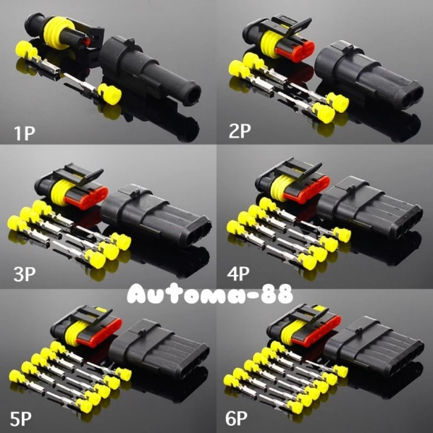
5 | Wiring/Kabel AWG20 minimal 5m 1rol warna kuning kalo ada | 1
 | OFFLINE DI ELTRA/GENTENG
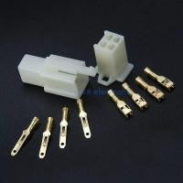
6 | Wiring/Konektor waterproof 2p | 5
 | OFFLINE DI ELTRA/GENTENG
7 | Wiring/Konektor waterproof 3p | 5
 | OFFLINE DI ELTRA/GENTENG
 | Wiring/Terminal block minimal isi 6 pin | 1
 | Wiring/kabel bakar ukuran awg16 | 1
 | Wiring/skun garpu sejumlah terminal block ditambah 8 buah | terminal block + 8
 | Wiring/skun garpu ukuran lubang dalam ±4mm | 10
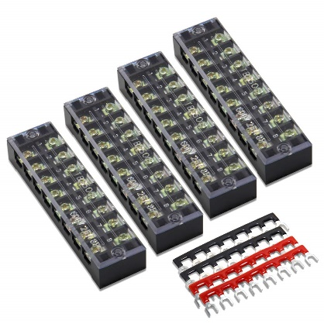
 | TOTAL |  |  | 0
 | (Terbilang)

